Read me
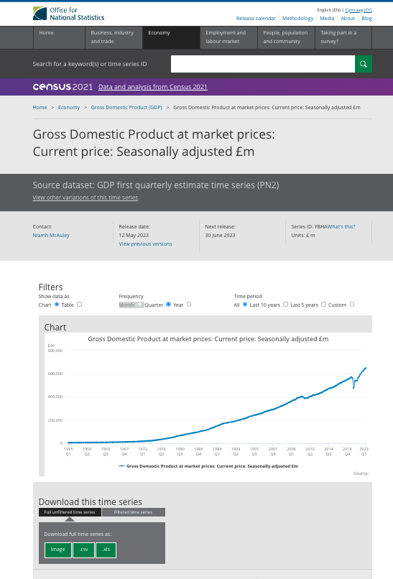
ONS Series Downloader |  |  | Example A: ONS series: GDP (CP, SA) £m
How to use:

1. Identify the relevant ONS series you are interested.
 | For high-level trade statistics these have been setout in the 'Trade CDID Directory' tab.
 | For all other ONS series see 'All CDID' tab.

2. In the code, update the list of 'relevant_data' on line 11 with the link for each of the series you are interested in. There are no limits to the number of series/links.

 | How to find the relevant link:
 | For high-level trade statistics see 'Trade CDID Directory'
 | For all others:
 |  | Find the series on the ONS website in the style seen in Example A.
 |  | Check the period in which it is being updated. For some CDIDs they are released in mutiple releases
 |  | - each of which of their own series site. Thus for the mostly timely data confirm you are using the
 |  | most timely version of using the most timely version of the series

 |  | Once you have found the appropriate series webpage copy the web address for the CSV button (in the green button under the chart)

3. Run the code
 | a. You will be prompted with a question asking if you wish to download or see charts of the data.
 | Enter C for Charts *this is still a work in progress*
 | Enter D for Download

 | b. You will then be prompted to select the time period you are interested.
 | Note for some series the Monthly period will be unavailable. This is not the case for those in the 'Trade CDID Directory'.
 | The code will not warn you if you have requested a time interval that is unavailable - instead it will return an empty series.

